Sheet1
The title of your website.
Check Mate

A paragraph detailing the purpose and target audience for your website.
Check Mate is a crowdfunding site for the tabletop games community to support indie game developers to produce and release new games. When propsing a project, game developers must set an appropriate target goal and timeline to be accomplished. People with user accounts can then pledge an amount of money to a project. If . There is also perhaps an opportunity to use the platform to source game testers or connect people in the community to play games together.
The features your MVP will include.
- Ability to create a user account
- Ability for creators to post games to fund including details of the target funds and deadlines
- User accounts can pledge money to games and make a comment
- User accounts can see their profile pages and progress of games that they have pledged to
- Ability to send email to game creators through the front end
- Projects can be filtered by category

At least 3 additional features you would like to include if you reach your MVP.
- Trending games on the homepage (according to number of recent pledges and amounts) |  |  |  |  |  | Sort by highest pledge?
- Projects can be filtered by number of players and age range
- Send email from the backend
- Projects can have pledge tiers with different rewards or incentives for each one
- Suggest games to users based on previous games that they have pledged
- Ability to upvote or favourite a game
- Option to help with testing games
- Scoreboard of pledges (based on number of projects involved in and not amount of money pledged)
- Ability to follow developer accounts (is this to see updates?)
- ask for user's address when a game is funded (to send a copy of the game to)

An API specification
Endpoint | Action | Method | Info
/users | Create an account | POST | Name, username, email, password, profile pic, bio
/users | Look up list of users | Get | NA
/users/(user ID) | Show user profile of (user ID) | GET | Username, profile pic, bio
/projects/(project ID) | Show project page of (project ID) | GET | Title, developer, images, description, goal, deadline, status, min number of player, max number of players, min age, min minutes, max minutes
/pledges/ | User makes a pledge | POST | Pledge amount, comment, anonymous

/pledges/shipping | Enter, update or confirm shipping address | PUT | Address line 1, suburb, postcode, country | Stretch goal - entered after a project is successful and user is required to make a payment
/project/(project ID)/update | Update project | PUT | Title, developer, images, description, goal, deadline, status, min number of player, max number of players, min age, min minutes, max minutes
/projects/(project ID)/like | Favourite/like a post | POST | NA
/projects/(project ID)/ | Delete project | DELETE | NA
/users/(user ID)/contact | Send an email to a game developer | POST | Email address | Stretch goal - send an email from the backend
/projects/ | Look up list of projects | GET | NA
/projects/ | Filter list of projects | GET | NA
/projects/new | Create a new project | POST | Title, developer, images, description, goal, deadline, status, min number of player, max number of players, min age, min minutes, max minutes
/''/ | User login | POST | username, password
/api-token-auth/ | Obtain auth token | POST | username, password

A database schema

User |  |  | Project |  | Pledge |  | Categories |  |  | Project/Category Linking |  | Images
ID | Integer |  | ID | integer | ID | integer | ID | integer |  | Project ID | integer | ID | integer
First name | String |  | title | string | Project ID | integer | Category Name | string |  | Category ID | integer | Image | string
Last name | String |  | description | string | supporter | integer |  |  |  |  |  | Project ID | integer
Email address | string |  | goal | float | pledge_date | datetime
Password | string |  | is_open | boolean | amount | integer | Favourited_by |  |  | authtoken_token
Profile pic | url |  | date_created | datetime | comment | string | ID | integer |  | key (token) | string
Phone number | string |  | owner | integer(FK) | anonymous | boolean | Project_id | integer |  | created | datetime
Address line 1 | string |  | funding_deadline | datetime |  |  | User id | integer |  | user_id | integer
Suburb | string |  | min_players | integer
State | string |  | max_players | integer
Postcode | string |  | min_age | integer | Strech goal
Country | string |  | min_minutes | integer | pk/fk link
Username | string |  | max_minutes | integer | pk/fk link
Developer account | Boolean |  | categories | Many2many | pk/fk link
Bio | string |  | favourited_by | Many2many

Home page
Selected projects page
All projects page
Make a pledge page
login page
Create an account page
Wireframes.
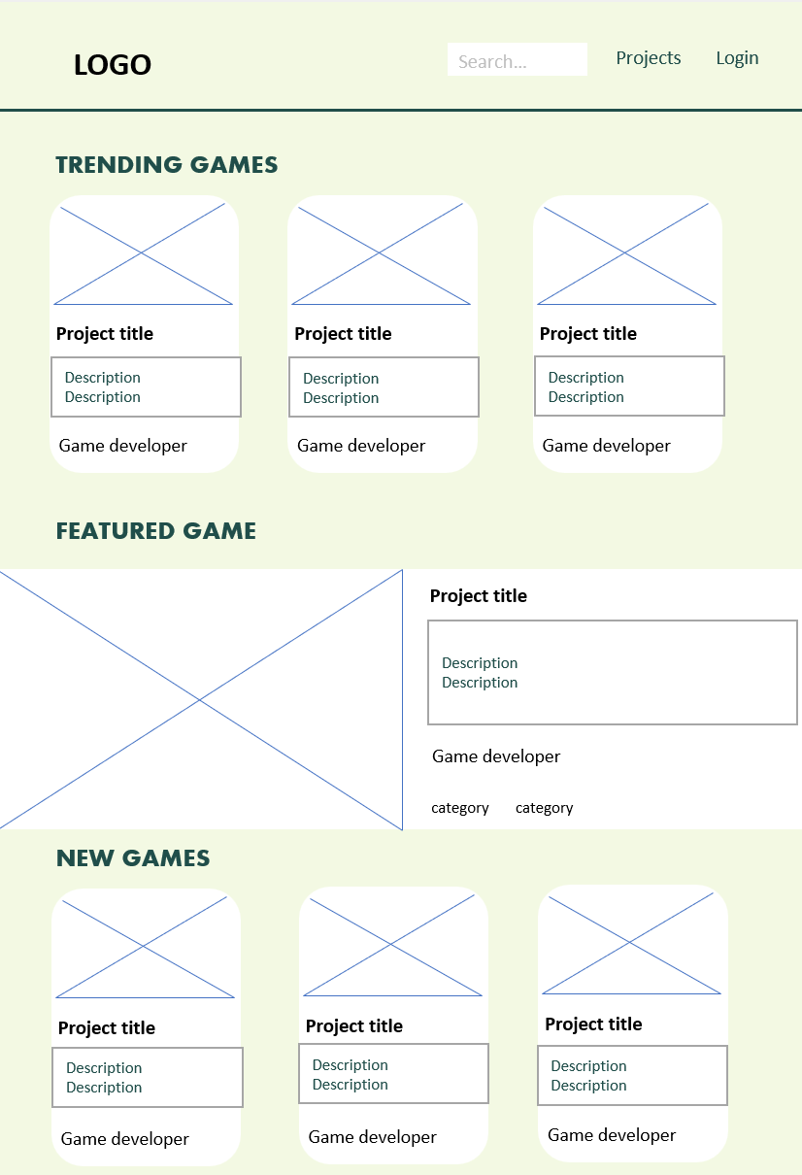 |  |  |  | 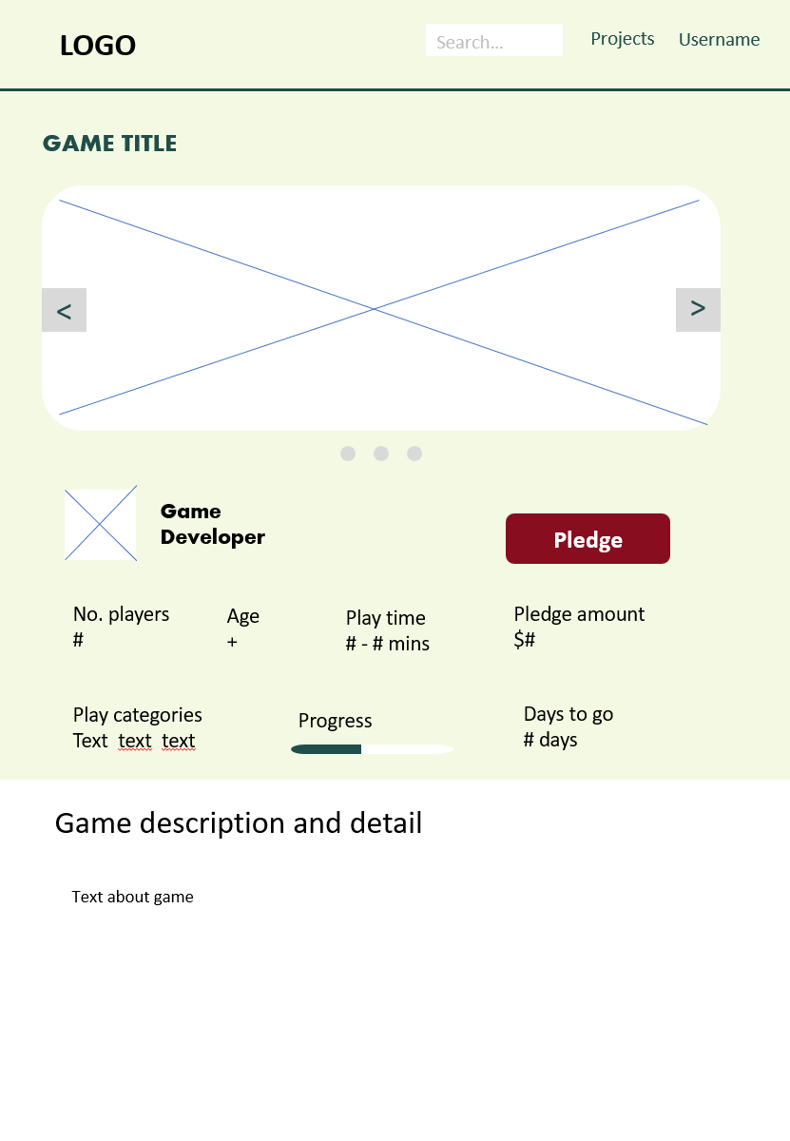 |  |  |  |  | 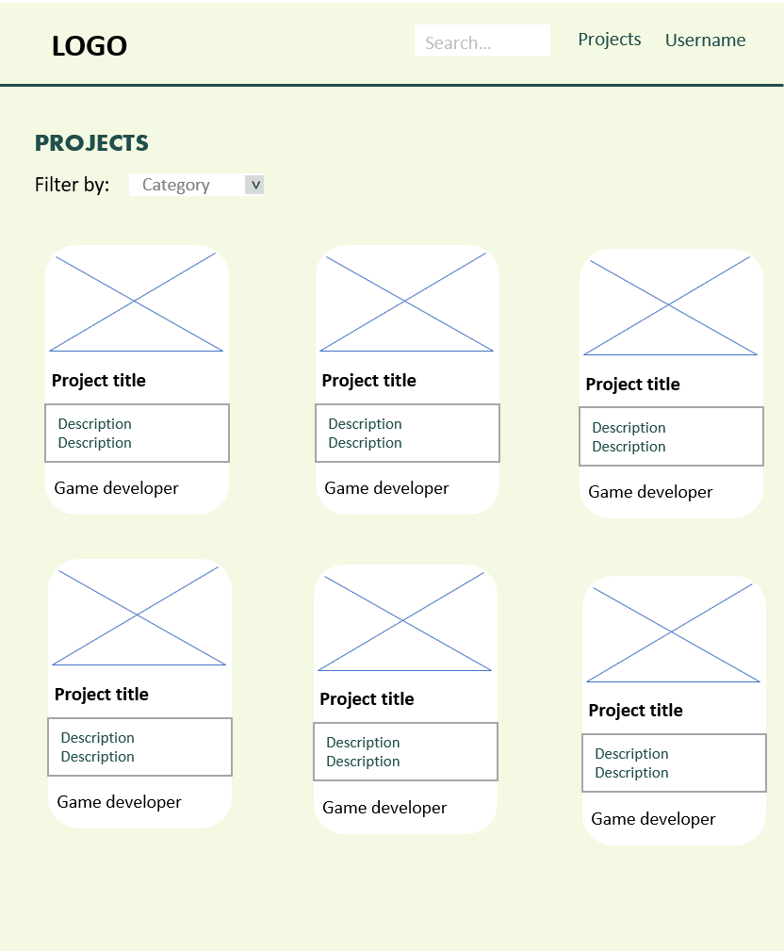 |  |  |  |  | 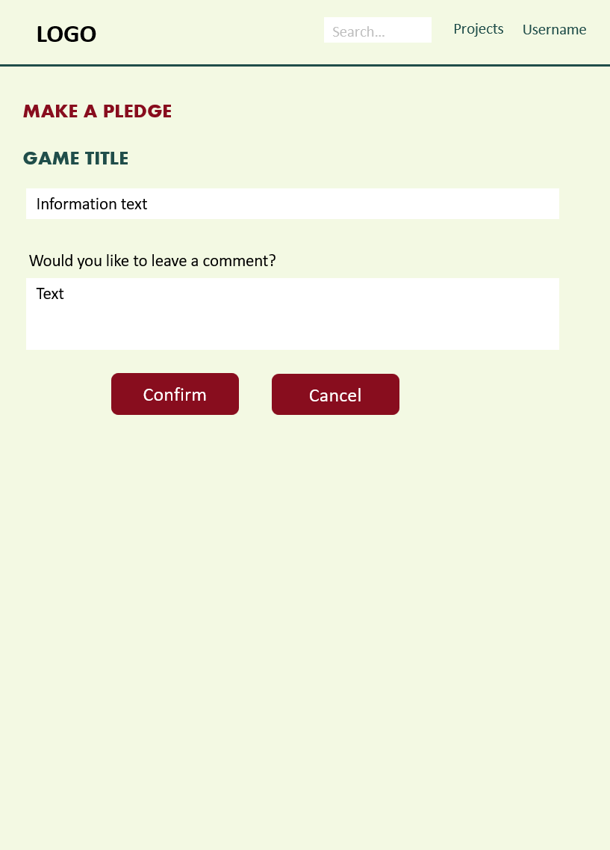 | 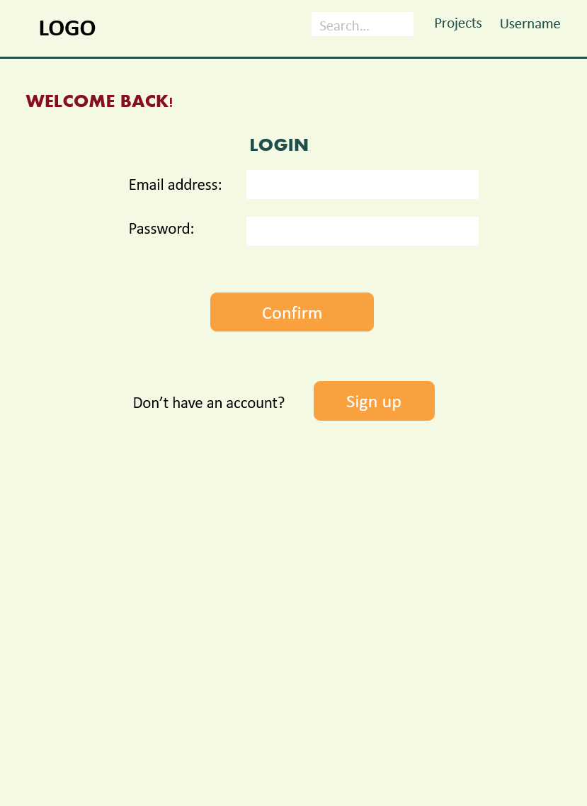 | 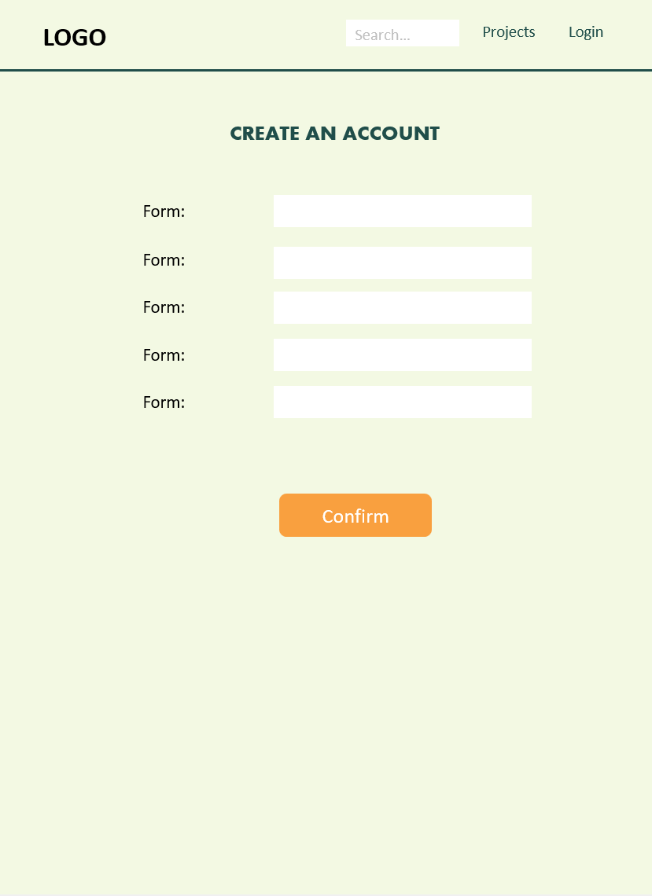

Colour Scheme.
BCD8C1 | F3F9E3 | 204E4A | 880D1E | F9A03F

Heading and body font(s).

Heading: Aharoni
Body: Calibri

